Long Call
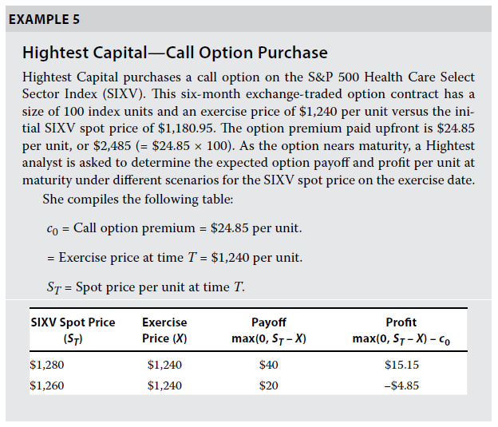
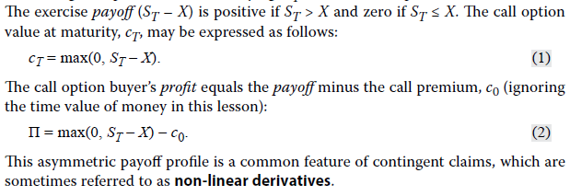
S&P 500 Health | SIXV

Index Units | 100
Strike/ Exercise | $1,240.00
Initial Spot | $1,180.95
Call Price | $24.85

Spot | Exercise | PayOff | PnL | Etiquetas de fila | Suma de PnL | Suma de PayOff
1100 | $1,240.00 | $- | $-24.85 | 1100 | $-24.85 | $-
1120 | $1,240.00 | $- | $-24.85 | 1120 | $-24.85 | $-
1140 | $1,240.00 | $- | $-24.85 | 1140 | $-24.85 | $-
1160 | $1,240.00 | $- | $-24.85 | 1160 | $-24.85 | $-
1180 | $1,240.00 | $- | $-24.85 | 1180 | $-24.85 | $-
1200 | $1,240.00 | $- | $-24.85 | 1200 | $-24.85 | $-
1220 | $1,240.00 | $- | $-24.85 | 1220 | $-24.85 | $-
1240 | $1,240.00 | $- | $-24.85 | 1240 | $-24.85 | $-
1260 | $1,240.00 | $20.00 | $-4.85 | 1260 | $-4.85 | $20.00
1280 | $1,240.00 | $40.00 | $15.15 | 1280 | $15.15 | $40.00
1300 | $1,240.00 | $60.00 | $35.15 | 1300 | $35.15 | $60.00
1320 | $1,240.00 | $80.00 | $55.15 | 1320 | $55.15 | $80.00
1340 | $1,240.00 | $100.00 | $75.15 | 1340 | $75.15 | $100.00
1360 | $1,240.00 | $120.00 | $95.15 | 1360 | $95.15 | $120.00
1380 | $1,240.00 | $140.00 | $115.15 | 1380 | $115.15 | $140.00
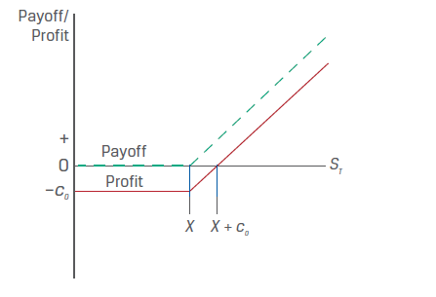
 |  |  |  | Total general | $187.25 | $560.00

Short Call
S&P 500 Health | SIXV

Index Units | 100
Strike/ Exercise | $1,240.00
Initial Spot | $1,180.95
Call Price | $24.85

 |  |  |  | Etiquetas de fila | Suma de PnL | Suma de PayOff
Spot | Exercise | PayOff | PnL | 1100 | $24.85 | $-
1100 | $1,240.00 | $- | $24.85 | 1120 | $24.85 | $-
1120 | $1,240.00 | $- | $24.85 | 1140 | $24.85 | $-
1140 | $1,240.00 | $- | $24.85 | 1160 | $24.85 | $-
1160 | $1,240.00 | $- | $24.85 | 1180 | $24.85 | $-
1180 | $1,240.00 | $- | $24.85 | 1200 | $24.85 | $-
1200 | $1,240.00 | $- | $24.85 | 1220 | $24.85 | $-
1220 | $1,240.00 | $- | $24.85 | 1240 | $24.85 | $-
1240 | $1,240.00 | $- | $24.85 | 1260 | $4.85 | $-20.00
1260 | $1,240.00 | $-20.00 | $4.85 | 1280 | $-15.15 | $-40.00
1280 | $1,240.00 | $-40.00 | $-15.15 | 1300 | $-35.15 | $-60.00
1300 | $1,240.00 | $-60.00 | $-35.15 | 1320 | $-55.15 | $-80.00
1320 | $1,240.00 | $-80.00 | $-55.15 | 1340 | $-75.15 | $-100.00
1340 | $1,240.00 | $-100.00 | $-75.15 | 1360 | $-95.15 | $-120.00
1360 | $1,240.00 | $-120.00 | $-95.15 | 1380 | $-115.15 | $-140.00
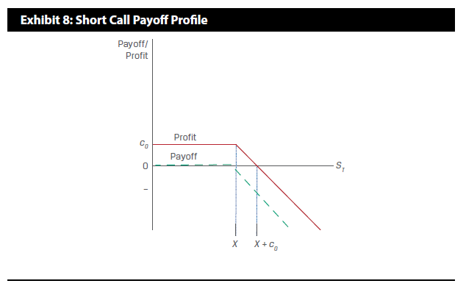
1380 | $1,240.00 | $-140.00 | $-115.15 | Total general | $-187.25 | $-560.00

